Decision Tree
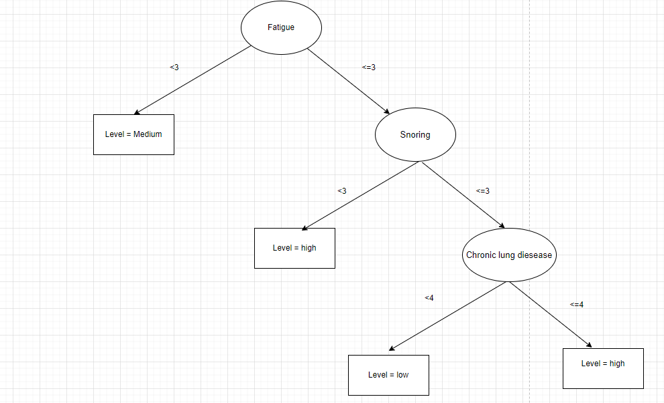
Age | Gender | Air Pollution | Alcohol use | Dust Allergy | OccuPational Hazards | Genetic Risk | chronic Lung Disease | Balanced Diet | Obesity | Smoking | Passive Smoker | Chest Pain | Coughing of Blood | Fatigue | Weight Loss | Shortness of Breath | Wheezing | Swallowing Difficulty | Clubbing of Finger Nails | Frequent Cold | Dry Cough | Snoring | Level
33 | 1 | 2 | 4 | 5 | 4 | 3 | 2 | 2 | 4 | 3 | 2 | 2 | 4 | 3 | 4 | 2 | 2 | 3 | 1 | 2 | 3 | 4 | Low
17 | 1 | 3 | 1 | 5 | 3 | 4 | 2 | 2 | 2 | 2 | 4 | 2 | 3 | 1 | 3 | 7 | 8 | 6 | 2 | 1 | 7 | 2 | Medium
35 | 1 | 4 | 5 | 6 | 5 | 5 | 4 | 6 | 7 | 2 | 3 | 4 | 8 | 8 | 7 | 9 | 2 | 1 | 4 | 6 | 7 | 2 | High
37 | 1 | 7 | 7 | 7 | 7 | 6 | 7 | 7 | 7 | 7 | 7 | 7 | 8 | 4 | 2 | 3 | 1 | 4 | 5 | 6 | 7 | 5 | High
46 | 1 | 6 | 8 | 7 | 7 | 7 | 6 | 7 | 7 | 8 | 7 | 7 | 9 | 3 | 2 | 4 | 1 | 4 | 2 | 4 | 2 | 3 | High
35 | 1 | 4 | 5 | 6 | 5 | 5 | 4 | 6 | 7 | 2 | 3 | 4 | 8 | 8 | 7 | 9 | 2 | 1 | 4 | 6 | 7 | 2 | High
52 | 2 | 2 | 4 | 5 | 4 | 3 | 2 | 2 | 4 | 3 | 2 | 2 | 4 | 3 | 4 | 2 | 2 | 3 | 1 | 2 | 3 | 4 | Low
28 | 2 | 3 | 1 | 4 | 3 | 2 | 3 | 4 | 3 | 1 | 4 | 3 | 1 | 3 | 2 | 2 | 4 | 2 | 2 | 3 | 4 | 3 | Low
35 | 2 | 4 | 5 | 6 | 5 | 6 | 5 | 5 | 5 | 6 | 6 | 6 | 5 | 1 | 4 | 3 | 2 | 4 | 6 | 2 | 4 | 1 | Medium
46 | 1 | 2 | 3 | 4 | 2 | 4 | 3 | 3 | 3 | 2 | 3 | 4 | 4 | 1 | 2 | 4 | 6 | 5 | 4 | 2 | 1 | 5 | Medium
36.4 | 1.3 | 3.7 | 4.3 | 5.5 | 4.5 | 4.5 | 3.8 | 4.4 | 4.9 | 3.6 | 4.1 | 4.1 | 5.4 | 3.5 | 3.7 | 4.5 | 3 | 3.3 | 3.1 | 3.4 | 4.5 | 3.1
35 | 1 | 3.5 | 4.5 | 5.5 | 4.5 | 4.5 | 3.5 | 4.5 | 4.5 | 2.5 | 3.5 | 4 | 4.5 | 3 | 3.5 | 3.5 | 2 | 3.5 | 3 | 2.5 | 4 | 3
 | 1 | 3 | 4 | 5 | 4 | 4 | 3 | 4 | 4 | 3 | 4 | 4 | 5 | 3 | 3 | 4 | 3 | 3 | 3 | 3 | 4 | 3

iterasi 1
nilai entropy | 1.570950594
low | 3 | 0.3
medium | 3 | 0.3
high | 4 | 0.4
total | 10

information gain |  |  |  |  | information gain |  |  |  |  | information gain |  |  |  |  | information gain |  |  |  |  | information gain
kolom air polution |  |  |  |  | kolom alcohol use |  |  |  |  | kolom dust alergi |  |  |  |  | kolom OPH |  |  |  |  | kolom genetic risk
 | <3 | >=3 |  |  |  | <4 | >=4 |  |  |  | <5 | >=5 |  |  |  | <4 | >=4 |  |  |  | <4 | >=4
low | 2 | 1 |  |  | low | 1 | 2 |  |  | low | 1 | 2 |  |  | low | 1 | 2 |  |  | low | 3 | 0
medium | 1 | 2 |  |  | medium | 2 | 1 |  |  | medium | 1 | 2 |  |  | medium | 2 | 1 |  |  | medium | 0 | 3
high | 0 | 4 |  |  | high | 0 | 4 |  |  | high | 0 | 4 |  |  | high | 0 | 4 |  |  | high | 0 | 4
 | 3 | 7 | 10 |  |  | 3 | 7 | 10 |  |  | 2 | 8 | 10 |  |  | 3 | 7 | 10 |  |  | 3 | 7 | 10
entropy | 0.9182958341 | 1.378783493 |  |  | entropy | 0.9182958341 | 1.378783493 |  |  | entropy | 1 | 1.5 |  |  | entropy | 0.9182958341 | 1.378783493 |  |  | entropy | 0 | 0.985228136

IG | 1.105357452 |  |  |  | IG | 1.105357452 |  |  |  | IG | 1.145950594 |  |  |  | IG | 1.105357452 |  |  |  | IG | 1.473883146

information gain |  |  |  |  | information gain |  |  |  |  | information gain |  |  |  |  | information gain |  |  |  |  | information gain
kolom cronic lung |  |  |  |  | kolom balanced diet |  |  |  |  | kolom obesity |  |  |  |  | kolom smoking |  |  |  |  | kolom passive smoke
 | <3 | >=3 |  |  |  | <4 | >=4 |  |  |  | <4 | >=4 |  |  |  | <3 | >=3 |  |  |  | <4 | >=4
low | 2 | 1 |  |  | low | 2 | 1 |  |  | low | 1 | 2 |  |  | low | 1 | 2 |  |  | low | 2 | 1
medium | 1 | 2 |  |  | medium | 2 | 1 |  |  | medium | 2 | 1 |  |  | medium | 2 | 2 |  |  | medium | 0 | 3
high | 0 | 4 |  |  | high | 0 | 4 |  |  | high | 0 | 4 |  |  | high | 1 | 1 |  |  | high | 0 | 4
 | 3 | 7 | 10 |  |  | 4 | 6 | 10 |  |  | 3 | 7 | 10 |  |  | 4 | 5 | 9 |  |  | 2 | 8 | 10
entropy | 0.9182958341 | 1.378783493 |  |  | entropy | 1 | 1.251629167 |  |  | entropy | 0.9182958341 | 0.8623963729 |  |  | entropy | 1.5 | 1.521928095 |  |  | entropy | 0 | 1.405639062

IG | 1.105357452 |  |  |  | IG | 1.014293037 |  |  |  | IG | 1.221089094 |  |  |  | IG | 0.646921136 |  |  |  | IG | 1.373368477

information gain |  |  |  |  | information gain |  |  |  |  | information gain |  |  |  |  | information gain |  |  |  |  | information gain
kolom chest pain |  |  |  |  | kolomCoughing of Blood |  |  |  |  | kolom fatigue |  |  |  |  | kolom weight loss |  |  |  |  | kolom Shortness of Breath
 | <4 | >=4 |  |  |  | <5 | >=5 |  |  |  | <3 | >=3 |  |  |  | <3 | >=3 |  |  |  | <4 | >=4
low | 3 | 0 |  |  | low | 3 | 0 |  |  | low | 0 | 3 |  |  | low | 1 | 2 |  |  | low | 3 | 0
medium | 1 | 2 |  |  | medium | 2 | 1 |  |  | medium | 3 | 0 |  |  | medium | 1 | 2 |  |  | medium | 1 | 2
high | 0 | 4 |  |  | high | 0 | 4 |  |  | high | 0 | 4 |  |  | high | 2 | 2 |  |  | high | 1 | 3
 | 4 | 6 | 10 |  |  | 5 | 5 | 10 |  |  | 3 | 7 | 10 |  |  | 4 | 6 | 10 |  |  | 5 | 5 | 10
entropy | 0.8112781245 | 0.9182958341 |  |  | entropy | 0.9709505945 | 0.7219280949 |  |  | entropy | 0 | 0.985228136 |  |  | entropy | 1.5 | 1.584962501 |  |  | entropy | 2.321928095 | 0.9709505945

IG | 1.162112621 |  |  |  | IG | 1.03335728 |  |  |  | IG | 1.473883146 |  |  |  | IG | 0.7197399816 |  |  |  | IG | 0.3157120413

information gain |  |  |  |  | information gain |  |  |  |  | information gain |  |  |  |  | information gain |  |  |  |  | information gain
kolom wheezing |  |  |  |  | kolom Swallowing Difficulty |  |  |  |  | kolom clubbing of finger nails |  |  |  |  | kolom frequent cold |  |  |  |  | kolom dry cough
 | <3 | >=3 |  |  |  | <3 | >=3 |  |  |  | <3 | >=3 |  |  |  | <3 | >=3 |  |  |  | <4 | >=4
low | 2 | 1 |  |  | low | 1 | 2 |  |  | low | 3 | 0 |  |  | low | 2 | 1 |  |  | low | 2 | 1
medium | 1 | 2 |  |  | medium | 0 | 3 |  |  | medium | 1 | 2 |  |  | medium | 3 | 0 |  |  | medium | 1 | 2
high | 4 | 0 |  |  | high | 2 | 2 |  |  | high | 1 | 3 |  |  | high | 0 | 4 |  |  | high | 1 | 3
 | 7 | 3 | 10 |  |  | 3 | 7 | 10 |  |  | 5 | 5 | 10 |  |  | 5 | 5 | 10 |  |  | 4 | 6 | 10
entropy | 1.378783493 | 0.9182958341 |  |  | entropy | 0.9182958341 | -1.556656707 |  |  | entropy | 1.370950594 | 0.9709505945 |  |  | entropy | 0.9709505945 | 0.7219280949 |  |  | entropy | 1.5 | 1.459147917

IG | 0.5214754251 |  |  |  | IG | 1.053143834 |  |  |  | IG | 0.7912007915 |  |  |  | IG | 1.03335728 |  |  |  | IG | 0.7580393301
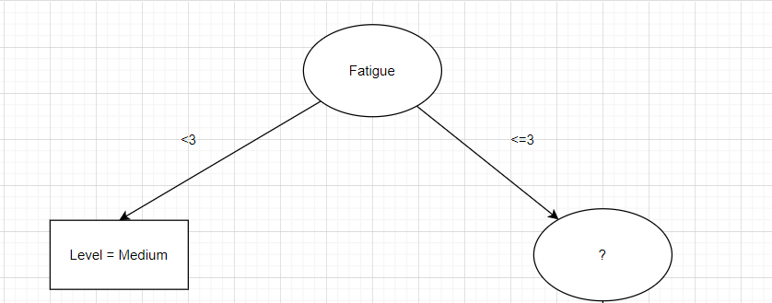

information gain
kolom wheezing
 | <3 | >=3
low | 0 | 3
medium | 2 | 1
high | 2 | 2
 | 4 | 6 | 10
entropy | 1 | 1.459147917

IG | 0.9580393301

Iterasi 2
nilai entropy | 1.049860916
low | 3 | 0.3
high | 4 | 0.4
total | 7

Age | Gender | Air Pollution | Alcohol use | Dust Allergy | OccuPational Hazards | Genetic Risk | chronic Lung Disease | Balanced Diet | Obesity | Smoking | Passive Smoker | Chest Pain | Coughing of Blood | Fatigue | Weight Loss | Shortness of Breath | Wheezing | Swallowing Difficulty | Clubbing of Finger Nails | Frequent Cold | Dry Cough | Snoring | Level
33 | 1 | 2 | 4 | 5 | 4 | 3 | 2 | 2 | 4 | 3 | 2 | 2 | 4 | 3 | 4 | 2 | 2 | 3 | 1 | 2 | 3 | 4 | Low
35 | 1 | 4 | 5 | 6 | 5 | 5 | 4 | 6 | 7 | 2 | 3 | 4 | 8 | 8 | 7 | 9 | 2 | 1 | 4 | 6 | 7 | 2 | High
37 | 1 | 7 | 7 | 7 | 7 | 6 | 7 | 7 | 7 | 7 | 7 | 7 | 8 | 4 | 2 | 3 | 1 | 4 | 5 | 6 | 7 | 5 | High
46 | 1 | 6 | 8 | 7 | 7 | 7 | 6 | 7 | 7 | 8 | 7 | 7 | 9 | 3 | 2 | 4 | 1 | 4 | 2 | 4 | 2 | 3 | High
35 | 1 | 4 | 5 | 6 | 5 | 5 | 4 | 6 | 7 | 2 | 3 | 4 | 8 | 8 | 7 | 9 | 2 | 1 | 4 | 6 | 7 | 2 | High
52 | 2 | 2 | 4 | 5 | 4 | 3 | 2 | 2 | 4 | 3 | 2 | 2 | 4 | 3 | 4 | 2 | 2 | 3 | 1 | 2 | 3 | 4 | Low
28 | 2 | 3 | 1 | 4 | 3 | 2 | 3 | 4 | 3 | 1 | 4 | 3 | 1 | 3 | 2 | 2 | 4 | 2 | 2 | 3 | 4 | 3 | Low
38 | 1.285714286 | 4 | 4.857142857 | 5.714285714 | 5 | 4.428571429 | 4 | 4.857142857 | 5.571428571 | 3.714285714 | 4 | 4.142857143 | 6 | 4.571428571 | 4 | 4.428571429 | 2 | 2.571428571 | 2.714285714 | 4.142857143 | 4.714285714 | 3.285714286
35 | 1 | 4 | 5 | 6 | 5 | 5 | 4 | 6 | 7 | 3 | 3 | 4 | 8 | 3 | 4 | 3 | 2 | 3 | 2 | 4 | 4 | 3
1 | 4 | 4 | 5 | 6 | 5 | 5 | 4 | 6 | 7 | 3 | 4 | 4 | 8 | 4 | 4 | 4 | 2 | 3 | 2 | 4 | 4 | 3

information gain |  |  |  |  | information gain |  |  |  |  | information gain |  |  |  |  | information gain |  |  |  |  | information gain
kolom air polution |  |  |  |  | kolom alcohol use |  |  |  |  | kolom dust allergy |  |  |  |  | kolom OccuPational Hazards |  |  |  |  | kolom Genetic Risk
 | <4 | >=4 |  |  |  | <5 | >=5 |  |  |  | <6 | >=6 |  |  |  | <5 | >=5 |  |  |  | <5 | >=5
low | 3 | 0 |  |  | low | 3 | 0 |  |  | low | 3 | 0 |  |  | low | 3 | 0 |  |  | low | 3 | 0
medium | 0 | 0 |  |  | medium | 0 | 0 |  |  | medium | 0 | 0 |  |  | medium | 0 | 0 |  |  | medium | 0 | 0
high | 0 | 4 |  |  | high | 0 | 4 |  |  | high | 0 | 4 |  |  | high | 0 | 4 |  |  | high | 0 | 4
 | 3 | 4 | 7 |  |  | 3 | 4 | 7 |  |  | 3 | 4 | 7 |  |  | 3 | 4 | 7 |  |  | 3 | 4 | 7
entropy | 0 | 0 |  |  | entropy | 0 | 0 |  |  | entropy | 0 | 0 |  |  | entropy | 0 | 0 |  |  | entropy | 0 | 0

IG | 1.570950594 |  |  |  | IG | 1.570950594 |  |  |  | IG | 1.570950594 |  |  |  | IG | 1.570950594 |  |  |  | IG | 1.570950594

information gain |  |  |  |  | information gain |  |  |  |  | information gain |  |  |  |  | information gain |  |  |  |  | information gain
kolom chronic Lung Disease |  |  |  |  | kolom Balanced Diet |  |  |  |  | kolom obesity |  |  |  |  | kolom Smoking |  |  |  |  | kolom Passive Smoker
 | <4 | >=4 |  |  |  | <6 | >=6 |  |  |  | <7 | >=7 |  |  |  | <3 | >=3 |  |  |  | <4 | >=4
low | 3 | 0 |  |  | low | 3 | 0 |  |  | low | 3 | 0 |  |  | low | 1 | 1 |  |  | low | 2 | 1
medium | 0 | 0 |  |  | medium | 0 | 0 |  |  | medium | 0 | 0 |  |  | medium | 0 | 0 |  |  | medium | 0 | 0
high | 0 | 4 |  |  | high | 0 | 4 |  |  | high | 0 | 4 |  |  | high | 3 | 2 |  |  | high | 2 | 2
 | 3 | 4 | 7 |  |  | 3 | 4 | 7 |  |  | 3 | 4 | 7 |  |  | 4 | 3 | 7 |  |  | 4 | 3 | 7
entropy | 0 | 0 |  |  | entropy | 0 | 0 |  |  | entropy | 0 | 0 |  |  | entropy | 0.5 | 0.3899750005 |  |  | entropy | 1 | 0.9182958341

IG | 1.570950594 |  |  |  | IG | 1.570950594 |  |  |  | IG | 1.570950594 |  |  |  | IG | 1.263510523 |  |  |  | IG | 0.8790552746

information gain |  |  |  |  | information gain |  |  |  |  | information gain |  |  |  |  | information gain |  |  |  |  | information gain
kolom cest pain |  |  |  |  | kolom coghing of blood |  |  |  |  | kolom weight loss |  |  |  |  | kolom Shortness of Breath |  |  |  |  | kolom wheezing
 | <4 | >=4 |  |  |  | <8 | >=8 |  |  |  | <4 | >=4 |  |  |  | <4 | >=4 |  |  |  | <2 | >=2
low | 3 | 0 |  |  | low | 3 | 0 |  |  | low | 1 | 2 |  |  | low | 3 | 0 |  |  | low | 0 | 3
medium | 0 | 0 |  |  | medium | 0 | 0 |  |  | medium | 0 | 0 |  |  | medium | 0 | 0 |  |  | medium | 0 | 0
high | 0 | 4 |  |  | high | 0 | 4 |  |  | high | 2 | 2 |  |  | high | 1 | 3 |  |  | high | 2 | 2
 | 3 | 4 | 7 |  |  | 3 | 4 | 7 |  |  | 3 | 4 | 7 |  |  | 4 | 3 | 7 |  |  | 2 | 5 | 7
entropy | 0 | 0 |  |  | entropy | 0 | 0 |  |  | entropy | 0.9182958341 | 1 |  |  | entropy | 0.8112781245 | 0 |  |  | entropy | 0 | 0.9709505945

IG | 1.570950594 |  |  |  | IG | 1.570950594 |  |  |  | IG | 1.034538094 |  |  |  | IG | 1.107363095 |  |  |  | IG | 1.436272729

information gain |  |  |  |  | information gain |  |  |  |  | information gain |  |  |  |  | information gain |  |  |  |  | information gain
kolom swallowing difficulty |  |  |  |  | kolom Clubbing of Finger Nails |  |  |  |  | kolom frequent cold |  |  |  |  | kolom Dry Cough |  |  |  |  | kolom Snoring
 | <3 | >=3 |  |  |  | <2 | >=2 |  |  |  | <4 | >=4 |  |  |  | <4 | >=4 |  |  |  | <3 | >=3
low | 0 | 2 |  |  | low | 2 | 1 |  |  | low | 3 | 0 |  |  | low | 2 | 1 |  |  | low | 0 | 3
medium | 1 | 0 |  |  | medium | 0 | 0 |  |  | medium | 0 | 0 |  |  | medium | 0 | 0 |  |  | medium | 0 | 0
high | 2 | 2 |  |  | high | 0 | 4 |  |  | high | 0 | 4 |  |  | high | 1 | 3 |  |  | high | 2 | 2
 | 3 | 4 | 7 |  |  | 2 | 5 | 7 |  |  | 3 | 4 | 7 |  |  | 3 | 4 | 7 |  |  | 2 | 5 | 7
entropy | 0.9182958341 | 0.8899750005 |  |  | entropy | 0 | 0.7219280949 |  |  | entropy | 0 | 0 |  |  | entropy | 0.9182958341 | 0.8112781245 |  |  | entropy | 0 | 0.9709505945

IG | 1.064244451 |  |  |  | IG | 1.496496284 |  |  |  | IG | 1.570950594 |  |  |  | IG | 1.083370638 |  |  |  | IG | 1.436272729

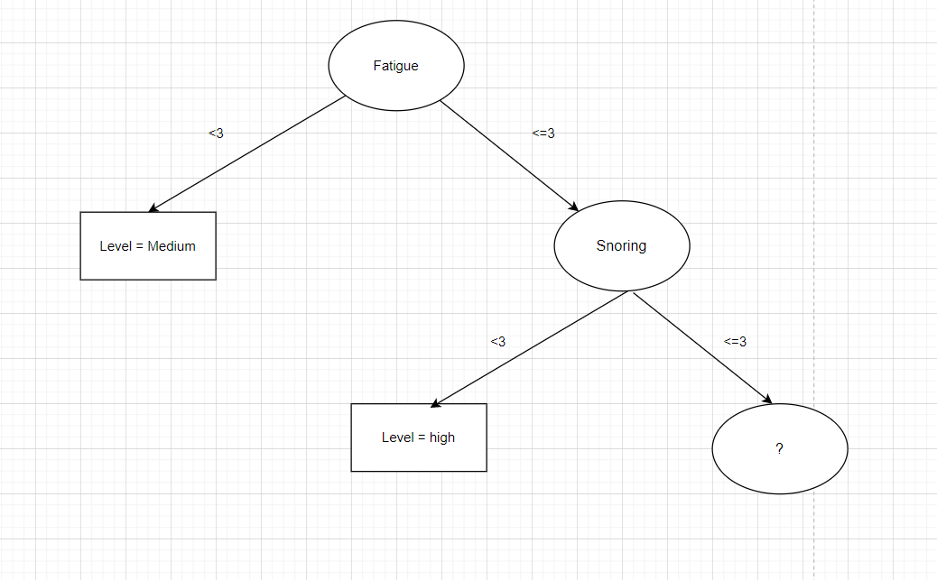

Iterasi 3
Age | Gender | Air Pollution | Alcohol use | Dust Allergy | OccuPational Hazards | Genetic Risk | chronic Lung Disease | Balanced Diet | Obesity | Smoking | Passive Smoker | Chest Pain | Coughing of Blood | Fatigue | Weight Loss | Shortness of Breath | Wheezing | Swallowing Difficulty | Clubbing of Finger Nails | Frequent Cold | Dry Cough | Snoring | Level
33 | 1 | 2 | 4 | 5 | 4 | 3 | 2 | 2 | 4 | 3 | 2 | 2 | 4 | 3 | 4 | 2 | 2 | 3 | 1 | 2 | 3 | 4 | Low
37 | 1 | 7 | 7 | 7 | 7 | 6 | 7 | 7 | 7 | 7 | 7 | 7 | 8 | 4 | 2 | 3 | 1 | 4 | 5 | 6 | 7 | 5 | High
46 | 1 | 6 | 8 | 7 | 7 | 7 | 6 | 7 | 7 | 8 | 7 | 7 | 9 | 3 | 2 | 4 | 1 | 4 | 2 | 4 | 2 | 3 | High
52 | 2 | 2 | 4 | 5 | 4 | 3 | 2 | 2 | 4 | 3 | 2 | 2 | 4 | 3 | 4 | 2 | 2 | 3 | 1 | 2 | 3 | 4 | Low
28 | 2 | 3 | 1 | 4 | 3 | 2 | 3 | 4 | 3 | 1 | 4 | 3 | 1 | 3 | 2 | 2 | 4 | 2 | 2 | 3 | 4 | 3 | Low
39.2 | 1.4 | 4 | 4.8 | 5.6 | 5 | 4.2 | 4 | 4.4 | 5 | 4.4 | 4.4 | 4.2 | 5.2 | 3.2 | 2.8 | 2.6 | 2 | 3.2 | 2.2 | 3.4 | 3.8 | 3.8
37 | 1 | 3 | 4 | 5 | 4 | 3 | 3 | 4 | 4 | 3 | 4 | 3 | 4 | 3 | 2 | 2 | 2 | 3 | 2 | 3 | 3 | 4
1 | 1 | 4 | 4 | 5 | 5 | 4 | 4 | 4 | 5 | 4 | 4 | 4 | 5 | 3 | 4 | 4 | 2 | 3 | 2 | 3 | 3 | 4

 | nilai entropy | 0.9854752972
 | low | 3 | 0.3
 | high | 2 | 0.2
 | total | 5

information gain |  |  |  |  | information gain |  |  |  |  | information gain |  |  |  |  | information gain |  |  |  |  | information gain
kolom air polution |  |  |  |  | kolom alcohol use |  |  |  |  | kolom dust allergy |  |  |  |  | kolom OccuPational Hazards |  |  |  |  | kolom Genetic Risk
 | <4 | >=4 |  |  |  | <4 | >=4 |  |  |  | <5 | >=5 |  |  |  | <5 | >=5 |  |  |  | <4 | >=4
low | 3 | 0 |  |  | low | 3 | 2 |  |  | low | 1 | 2 |  |  | low | 3 | 0 |  |  | low | 3 | 0
medium | 0 | 0 |  |  | medium | 0 | 0 |  |  | medium | 0 | 0 |  |  | medium | 0 | 0 |  |  | medium | 0 | 0
high | 0 | 2 |  |  | high | 0 | 2 |  |  | high | 0 | 2 |  |  | high | 0 | 2 |  |  | high | 0 | 2
 | 3 | 2 | 5 |  |  | 3 | 4 | 7 |  |  | 1 | 4 | 5 |  |  | 3 | 2 | 5 |  |  | 3 | 2 | 5
entropy | 0 | 0 |  |  | entropy | 0 | 0.3010299957 |  |  | entropy | 0 | 1 |  |  | entropy | 0 | 0 |  |  | entropy | 0 | 0

IG | 1.570950594 |  |  |  | IG | 1.558005015 |  |  |  | IG | 1.370950594 |  |  |  | IG | 1.570950594 |  |  |  | IG | 1.570950594

information gain |  |  |  |  | information gain |  |  |  |  | information gain |  |  |  |  | information gain |  |  |  |  | information gain
kolom chronic Lung Disease |  |  |  |  | kolom Balanced Diet |  |  |  |  | kolom obesity |  |  |  |  | kolom Smoking |  |  |  |  | kolom Passive Smoker
 | <4 | >=4 |  |  |  | <4 | >=4 |  |  |  | <5 | >=5 |  |  |  | <4 | >=4 |  |  |  | <4 | >=4
low | 3 | 0 |  |  | low | 3 | 1 |  |  | low | 3 | 0 |  |  | low | 3 | 0 |  |  | low | 2 | 1
medium | 0 | 0 |  |  | medium | 0 | 0 |  |  | medium | 0 | 0 |  |  | medium | 0 | 0 |  |  | medium | 0 | 0
high | 0 | 2 |  |  | high | 0 | 2 |  |  | high | 0 | 2 |  |  | high | 0 | 2 |  |  | high | 0 | 2
 | 3 | 2 | 5 |  |  | 3 | 3 | 6 |  |  | 3 | 2 | 5 |  |  | 3 | 2 | 5 |  |  | 2 | 3 | 5
entropy | 0 | 0 |  |  | entropy | 0 | 0.9182958341 |  |  | entropy | 0 | 0 |  |  | entropy | 0 | 0 |  |  | entropy | 0 | 0.9182958341

IG | 1.570950594 |  |  |  | IG | 1.430406055 |  |  |  | IG | 1.570950594 |  |  |  | IG | 1.570950594 |  |  |  | IG | 1.402297147

information gain |  |  |  |  | information gain |  |  |  |  | information gain |  |  |  |  | information gain |  |  |  |  | information gain
kolom cest pain |  |  |  |  | kolom coghing of blood |  |  |  |  | kolom weight loss |  |  |  |  | kolom Shortness of Breath |  |  |  |  | kolom wheezing
 | <4 | >=4 |  |  |  | <5 | >=5 |  |  |  | <4 | >=4 |  |  |  | <4 | >=4 |  |  |  | <2 | >=2
low | 3 | 0 |  |  | low | 3 | 0 |  |  | low | 1 | 2 |  |  | low | 3 | 0 |  |  | low | 2 | 3
medium | 0 | 0 |  |  | medium | 0 | 0 |  |  | medium | 0 | 0 |  |  | medium | 0 | 0 |  |  | medium | 0 | 0
high | 0 | 2 |  |  | high | 0 | 2 |  |  | high | 2 | 0 |  |  | high | 1 | 1 |  |  | high | 2 | 2
 | 3 | 2 | 5 |  |  | 3 | 2 | 5 |  |  | 3 | 2 | 5 |  |  | 4 | 1 | 5 |  |  | 4 | 5 | 9
entropy | 0 | 0 |  |  | entropy | 0 | 0 |  |  | entropy | 0.9182958341 | 0 |  |  | entropy | 0.8112781245 | 0 |  |  | entropy | 1 | 0.9709505945

IG | 1.570950594 |  |  |  | IG | 1.570950594 |  |  |  | IG | 1.019973094 |  |  |  | IG | 0.9219280949 |  |  |  | IG | 1.021756699

information gain |  |  |  |  | information gain |  |  |  |  | information gain |  |  |  |  | information gain
kolom swallowing difficulty |  |  |  |  | kolom Clubbing of Finger Nails |  |  |  |  | kolom frequent cold |  |  |  |  | kolom Dry Cough
 | <3 | >=3 |  |  |  | <2 | >=2 |  |  |  | <3 | >=3 |  |  |  | <3 | >=3
low | 1 | 2 |  |  | low | 2 | 0 |  |  | low | 3 | 0 |  |  | low | 2 | 1
medium | 0 | 0 |  |  | medium | 0 | 0 |  |  | medium | 0 | 0 |  |  | medium | 0 | 0
high | 0 | 2 |  |  | high | 1 | 1 |  |  | high | 0 | 2 |  |  | high | 1 | 1
 | 1 | 4 | 5 |  |  | 3 | 1 | 4 |  |  | 3 | 2 | 5 |  |  | 3 | 2 | 5
entropy | 0 | -1.5 |  |  | entropy | 0.3899750005 | 0 |  |  | entropy | 0 | 0 |  |  | entropy | 0.9182958341 | 1

IG | 1.120950594 |  |  |  | IG | 1.278469344 |  |  |  | IG | 1.570950594 |  |  |  | IG | 0.819973094

